Command
CO | TGA | ABVC | PT1 | PT2 | PPC | MA | SOP | Week Format
S0120 | S2520 | S5220 | S0121 | S2521 | S5221 | S0122 | S4422 | S+XX(week)+YY(year)
 |  |  |  |  |  |  |  | If week is lower than 10, add a 0
 |  |  |  |  |  |  |  | Examples: S0321, S2122, S0120

DFS Chart Generator
Import DFS Register
Delete DFS Register
Generate Graph
Delete Graph

Instructions
Format to be met by the DFS register for the macro to work
In the first column, one row has to be named "Project" where all labels are displayed | The absence of this columns will make the macro to fail. If some column isn't important, at least insert it with the name so the algorithm can work | Using the Chart Generator
Inside this "Project" row, columns "Wiring Family", "Origin", "Life Cycle State" and "Creation Date" must be in some place, order doesn´t matter. This names are case sensitive, so upper and lower cases MUST be considered

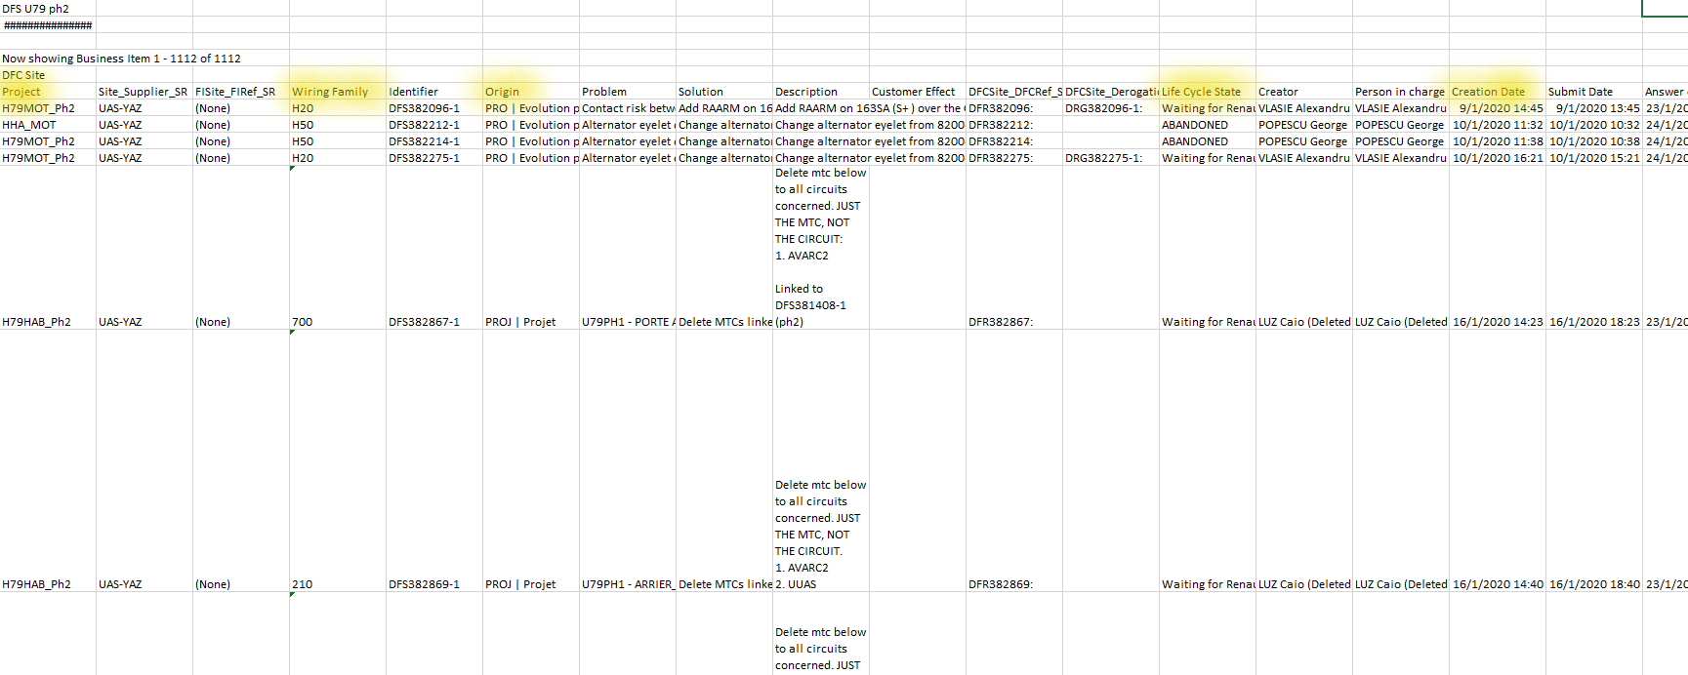
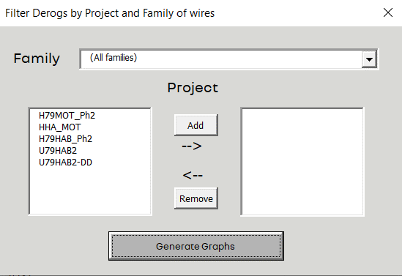
 |  |  | Select a family of wires, or all of them

 |  |  | Select the project/s, with the add button take them to the right, th graphs will be created considering the projects that are in the right list

 |  |  | If you wish to remove a project from the list, simply click it and use the remove button

 |  |  | Finally, click on the Generate Graphs button, the graphs will be created in a separated sheet

